R
Ohm's Law
V | 8.000000000 | 8.000000000 | 8.000000000 | 8.000000000 | V
R | 2.000000000 | 2.000000000 | 2.000000000 | 2.000000000 | Ω
I | 4.000000000 | 4.000000000 | 4.000000000 | 4.000000000 | A
P | 32.000000000 | 32.000000000 | 32.000000000 | 32.000000000 | W

Voltage Divider
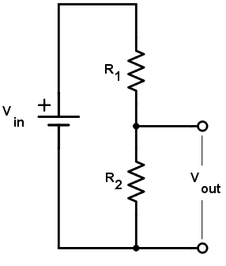
Vin | 9.000000000 | 9.000000000 | 9.000000000 | 9.000000000 | V
R1 | 3.000000000 | 3.000000000 | 3.000000000 | 3.000000000 | Ω
R2 | 6.000000000 | 6.000000000 | 6.000000000 | 6.000000000 | Ω
Vout | 6.000000000 | 6.000000000 | 6.000000000 | 6.000000000 | V
Rout | 2.000000000 | 2.000000000 | 2.000000000 | 2.000000000 | Ω
Iout max | 3.000000000 | 3.000000000 | 3.000000000 | 3.000000000 | A
Pin | 9.000000000 | 9.000000000 | 9.000000000 | 9.000000000 | W

Parallel |  | Σ
R1 | 1.000000000 |  |  | 1.000000000 | Ω
R2 | 1.000000000 | 0.500000000 |  | 1.000000000 | Ω
R3 | 1.000000000 | 0.333333333 |  | 0.500000000 | Ω
R4 | 1.000000000 | 0.250000000 |  |  | Ω

Voltage Divider, loaded
Vin | 9.000000000 | 9.000000000 | 9.000000000 | 9.000000000 | V
R1 | 3.000000000 | 3.000000000 | 3.000000000 | 3.000000000 | Ω
R2 | 6.000000000 | 6.000000000 | 6.000000000 | 6.000000000 | Ω
RL | 6.000000000 | 6.000000000 | 6.000000000 |  | Ω
R2||L | 3.000000000 | 3.000000000 | 3.000000000 | 0.000000000 | Ω
Vout | 4.500000000 | 4.500000000 | 4.500000000 | 0.000000000 | V
IL | 0.750000000 | 0.750000000 | 0.750000000 | 0.750000000 | A
Pin | 13.500000000 | 13.500000000 | 13.500000000 | 27.000000000 | W
Pout | 3.375000000 | 3.375000000 | 3.375000000 | 0.000000000 | W
Eff | 25.00% | 25.00% | 25.00% | 0.00%

Resistance of Wire
l | 400.000000000 | 400.000000000 |  |  | m
r | 0.000039878 | 0.000039878 |  |  | m
A | 0.000000005 | 0.000000005 |  |  | m2
ρ | 0.000000017 | 0.000000017 |  |  | Ωm
R | 1,380.322737700 | 1,380.322737700 |  |  | Ω

L
Inductor Impedance
f | 1.000000000 | Hz (rev/s)
ω | 6.283185307 | rad/s
T | 1.000000000 | s
L | 1.000000000 | H
Z | 6.283185307 | Ω

Filter
L | 0.001000000 | H
R | 100.000000000 | Ω
ω3dB | 100,000.000000000 | rad/s
f3dB | 15,915.494309190 | Hz (rev/s)
τ | 0.000010000 | s

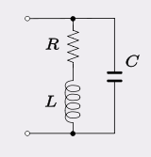
RLC Circuit
R | 4,500.000000000 | Ω
L | 4.000000000 | H
C | 0.000000047 | F
ω0 | 2,236.681176692 | rad/s
f | 355.978865391 | Hz (rev/s)
T | 0.002809156 | s
Q | 1.988161046
ζ | 0.243894188

Inductivity of Coil
N | 1,000.000000000 | turns
ℓ | 0.010000000 | m
μ0 | 0.000000126
μr | 1.000000000
r | 0.005000000 | m
A | 0.000078540 | m2
L | 0.000986960 | H

Transistor
Common Emitter Amplifier, degenerated

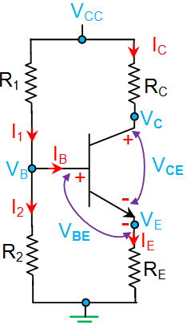
VCC | 9.000000000 | V
VBE | 0.650000000 | V
R1 | 96,000.000000000 | Ω
R2 | 27,000.000000000 | Ω
RC | 5,000.000000000 | Ω
RE | 1,000.000000000 | Ω
hFE (β) | 100

RB | 21,073.170731707 | Ω
VB | 1.975609756 | V
VE | 1.325609756 | V
IB | 0.000010859 | A
IC | 0.001085914 | A
VC | 3.570429570 | V
IE | 0.001096773 | A
I1 | 0.000084030 | A | VE | 1.096773
I2 | 0.000073171 | A | IE | 0.001326
Re | 22.794137739 | Ω
AV | -4.89 | V
rin | 17,473.095982829 | Ω
rout | 5,000.000000000 | Ω

Common Collector Amplifier / Emitter Follower

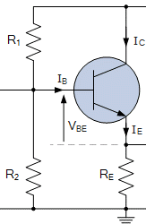
VCC | 9.000000000 | V
VBE | 0.650000000 | V
R1 | 560,000.000000000 | Ω
R2 | 820,000.000000000 | Ω
RE | 4,700.000000000 | Ω
hFE (β) | 350

RB | 332,753.623188406 | Ω
VB | 5.347826087 | V
VE | 4.697826087 | V
IB | 0.000002370 | A
IC | 0.000829396 | A
IE | 0.000831766 | A
I1 | 0.000008891 | A
I2 | 0.000006522 | A
Re | 30.056540599 | Ω
AV | 0.99 | V
rin | 277,064.615301177 | Ω
rout | 30.056540599 | Ω

